Map of Assignment
 |  | Vertices of your letter
 |  | 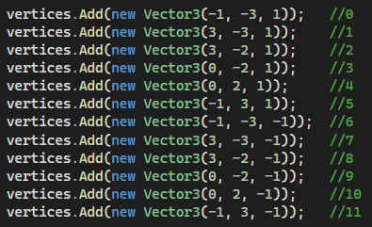

 |  | Rotation Matrix
 |  | 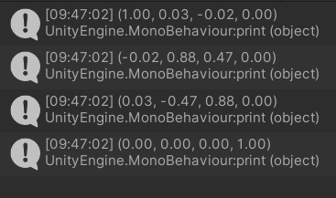

 |  | Image after Rotation
 |  | 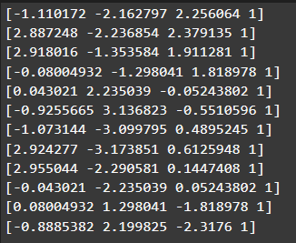

 |  | Scale Matrix |  | Single Matrix of transformations
 |  | 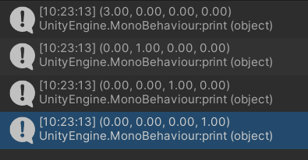 |  | 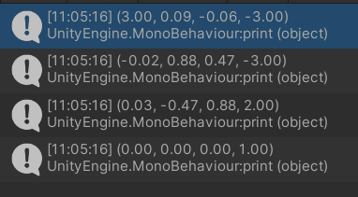

 |  | Image after Scale
 |  | 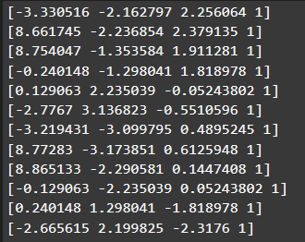

 |  | Translation Matrix
 |  | 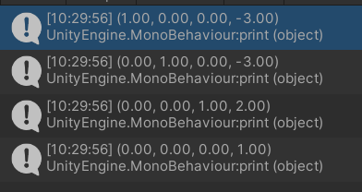

 |  | Image after translation | = | Image after transformations
 |  | 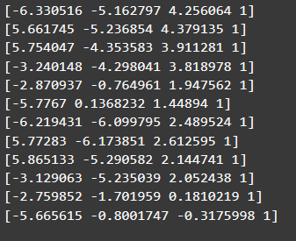 |  | 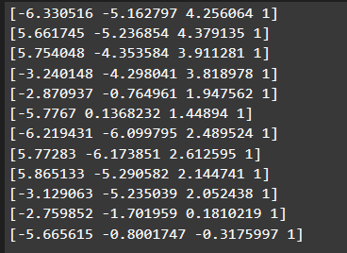

 |  | Viewing Matrix |  |  | Single Matrix for everything
 |  | 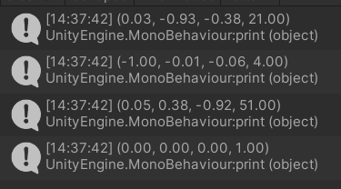 |  |  | 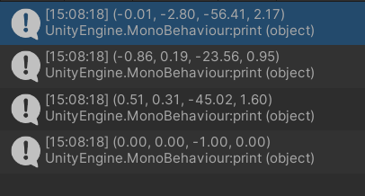

 |  | Image after Viewing Matrix
 |  | 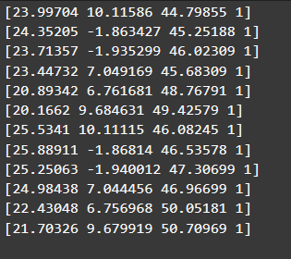

1 0 0 0
0 1 0 0
0 0 1 0
0 0 -1 0
Projection by hand i.e. division |  | Projection matrix
 |  | 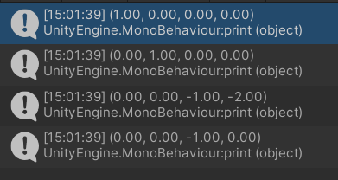

[23.99704 10.11586 -46.89024 -44.79855]
[24.35205 -1.863428 -47.34448 -45.25188]
[23.71357 -1.9353 -48.11723 -46.02309]
[23.44732 7.049169 -47.77655 -45.68309]
[20.89342 6.761681 -50.86755 -48.76791]
[20.1662 9.684631 -51.52674 -49.42579]
[25.5341 10.11115 -48.17671 -46.08245]
[25.8891 -1.86814 -48.63095 -46.53578]
[25.25063 -1.940012 -49.4037 -47.30699]
[24.98438 7.044456 -49.06301 -46.96699]
[22.43048 6.756968 -52.15401 -50.05181]
[21.70326 9.679919 -52.81321 -50.70968]
Final Image | = | Final Image | Should be equal (ish) :-) |  | Final Image
 |  | 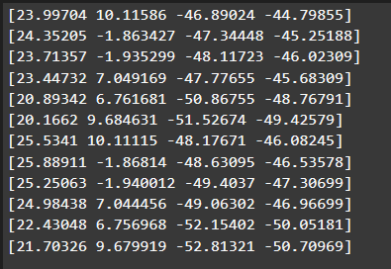 |  |  | 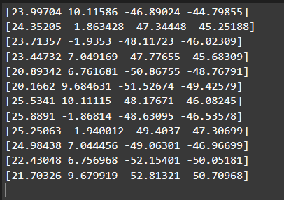

 |  | Final Image on graph paper, or excell chart
-0.53566555168 | -0.22580775494
-0.53814449256 | 0.041179018419
-0.51525375632 | 0.042050631542
-0.51326037709 | -0.15430587117
-0.42842557739 | -0.13865021076
-0.40800966459 | -0.19594286707
-0.55409597363 | -0.21941433235
-0.5563267662 | 0.04014416434
-0.53376107844 | 0.04100899254
-0.53195616751 | -0.14998738476
-0.44814523191 | -0.13499947355
-0.4279904744 | -0.1908889782

Sheet1
23.99704 | 10.11586 | -46.89024 | -44.79855
24.35205 | -1.863428 | -47.34448 | -45.25188
23.71357 | -1.9353 | -48.11723 | -46.02309
23.44732 | 7.049169 | -47.77655 | -45.68309
20.89342 | 6.761681 | -50.86755 | -48.76791
20.1662 | 9.684631 | -51.52674 | -49.42579
25.5341 | 10.11115 | -48.17671 | -46.08245
25.8891 | -1.86814 | -48.63095 | -46.53578
25.25063 | -1.940012 | -49.4037 | -47.30699
24.98438 | 7.044456 | -49.06301 | -46.96699
22.43048 | 6.756968 | -52.15401 | -50.05181
21.70326 | 9.679919 | -52.81321 | -50.70968

-0.53566555168 | -0.22580775494
-0.53814449256 | 0.041179018419
-0.51525375632 | 0.042050631542
-0.51326037709 | -0.15430587117
-0.42842557739 | -0.13865021076
-0.40800966459 | -0.19594286707
-0.55409597363 | -0.21941433235
-0.5563267662 | 0.04014416434
-0.53376107844 | 0.04100899254
-0.53195616751 | -0.14998738476
-0.44814523191 | -0.13499947355
-0.4279904744 | -0.1908889782
#DIV/0!

